3
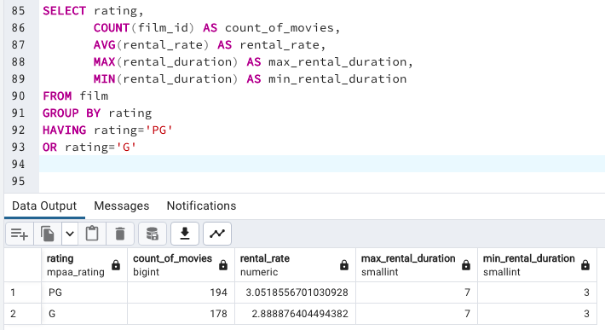
rating | count_of_movies | rental_rate | max_rental_duration | min_rental_duration
PG | 194 | 3.0518556701030928 | 7 | 3
G | 178 | 2.8888764044943820 | 7 | 3

